Sheet1
Analysis Variables | Plot w/ Fitted Line | Regression Line Equation | Plot, Hist, QQnorm | R^2 | SSE | SSR | TSS | Passes Linearity Test | Passes Normality Test | Constant Variance Test
Unemployment vs Crime | 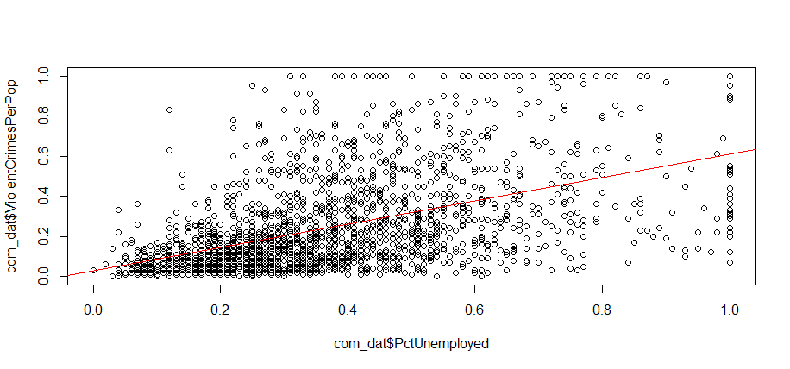 | y^ = 0.026736 + 0.581087x | 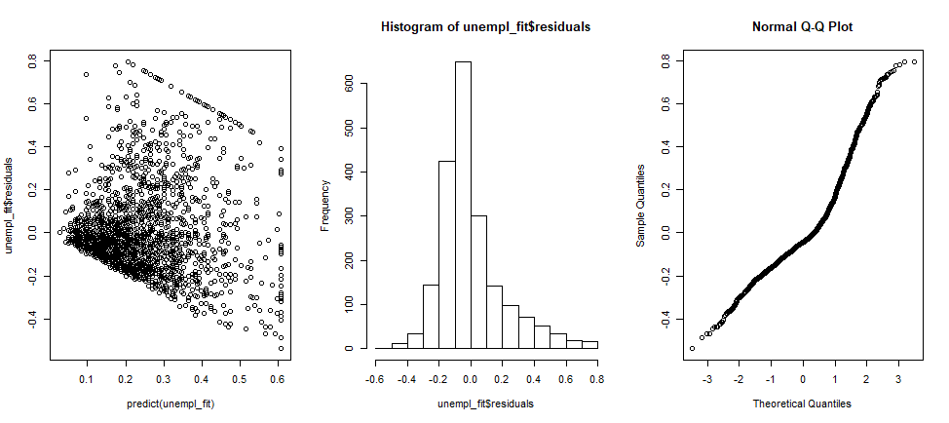 | 0.2012 | 80.678 | 27.506 | 108.184 | F | F
Unemployment vs log(Crime) | 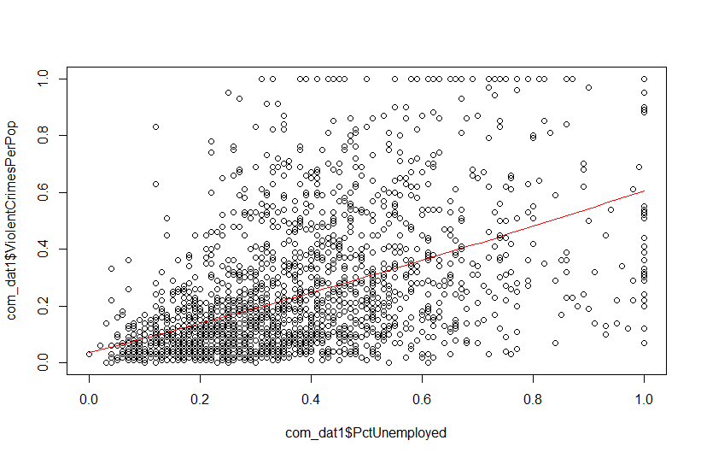 | y^ = 0.710753 + 0.247187x | 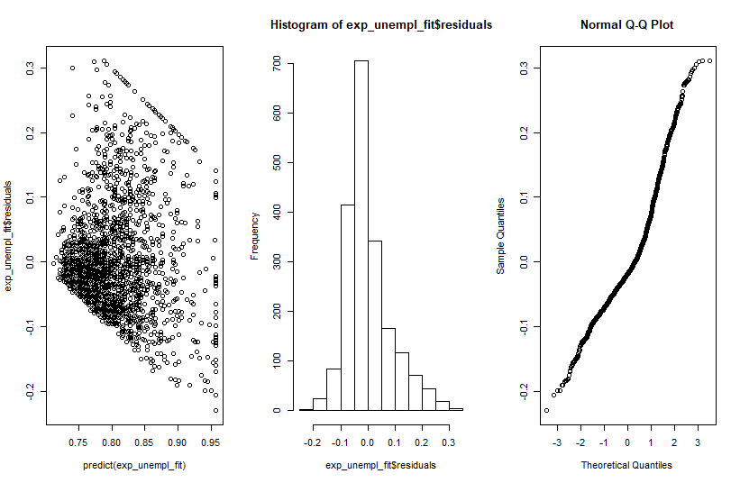 | 0.2626 | 13.98 | 4.9774 |  | F | F (right skewed) | F
Unemployment vs asin(Crime) | 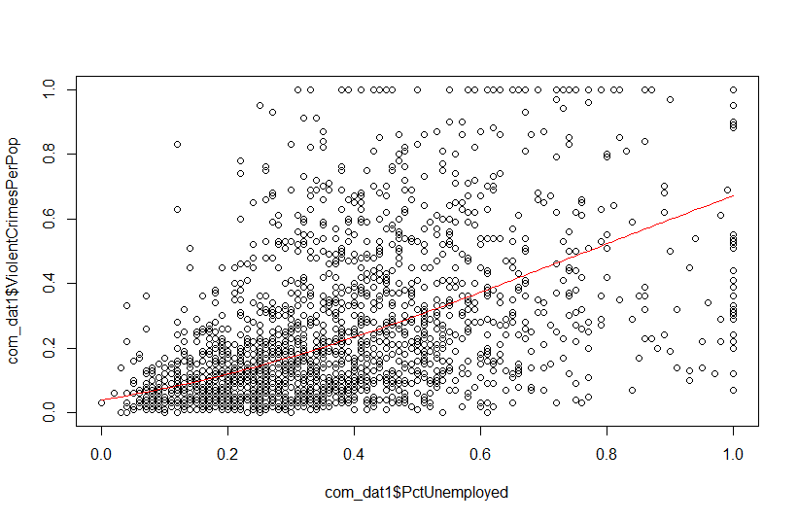 | y^ = .20257 + 0.75717x | 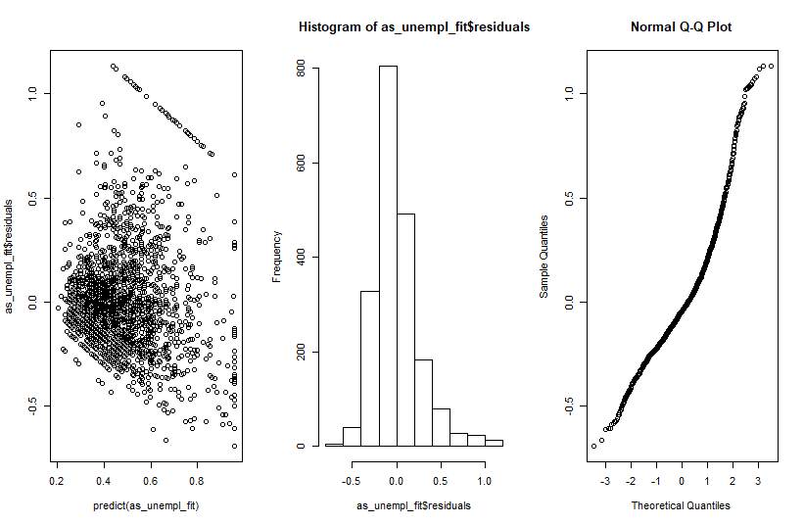 | 0.2626 | 131.858 | 46.701 |  | F | F | F
perCapIn vs Crimes | 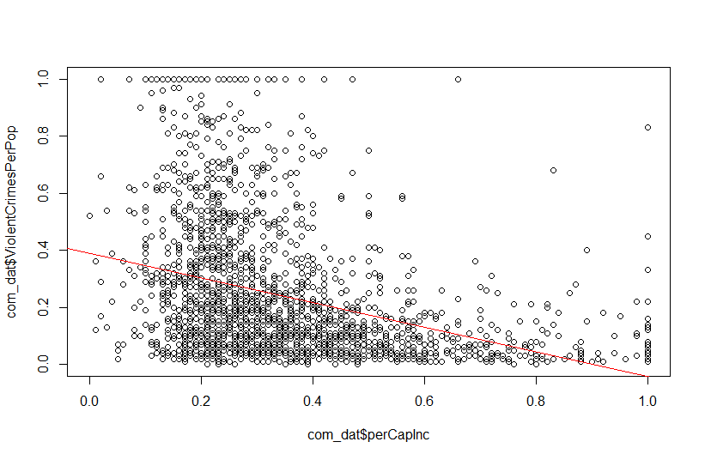 | y^ = 0.38832 -0.42923x | 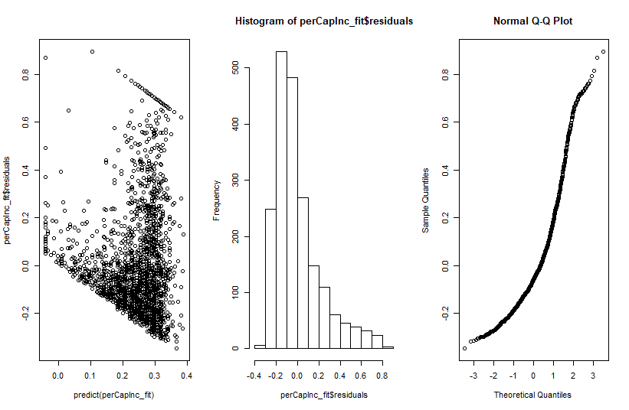 | 0.124 | 94.773 | 13.411 |  | F | F | F
perCapIn vs asin(Crimes) | 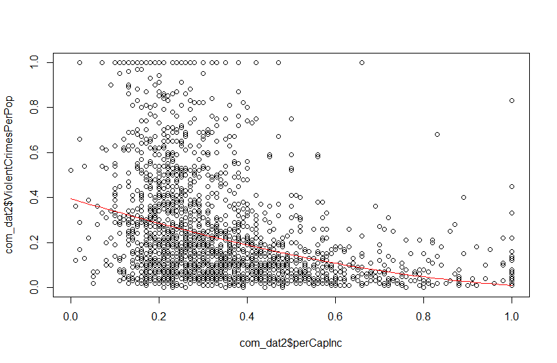 | y^ = 0.20447 + 0.78047 | 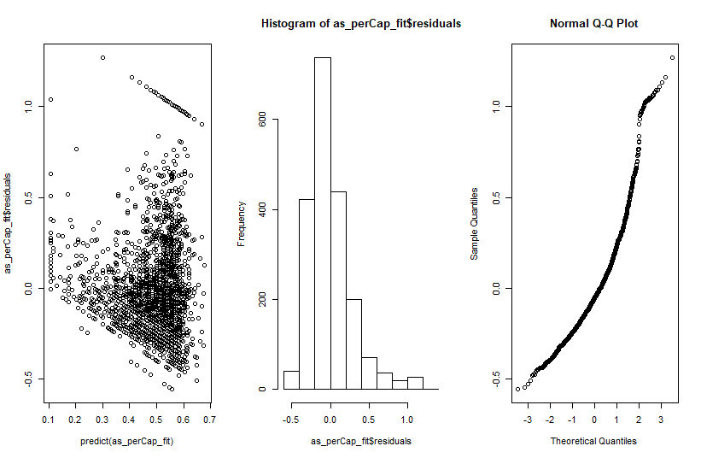 | 0.2483 | 134.216 | 44.338 |  | F | Kindof | F
medRent vs Crimes | 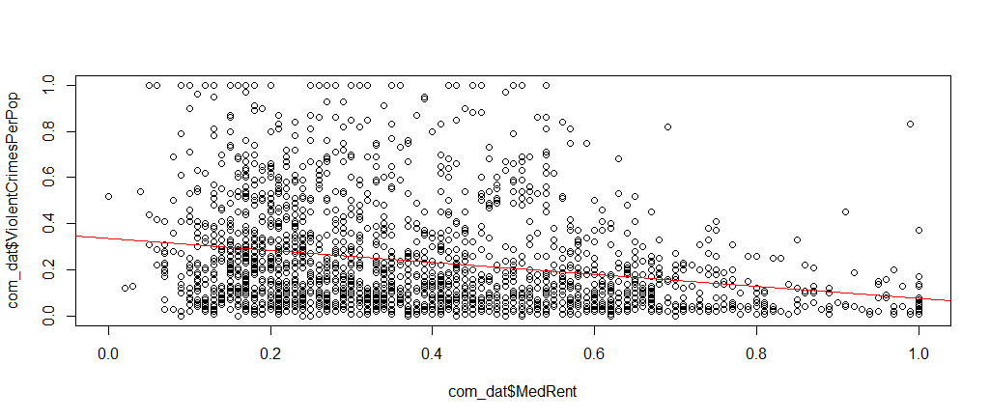 | y^ = 0.33856 - 0.26187x | 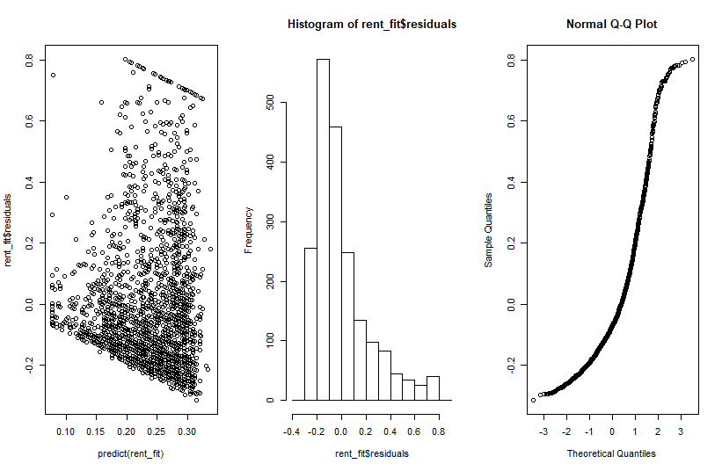 | 0.05753 | 101.96 | 6.224 |  | F | F
medRent vs asin(Crimes) | 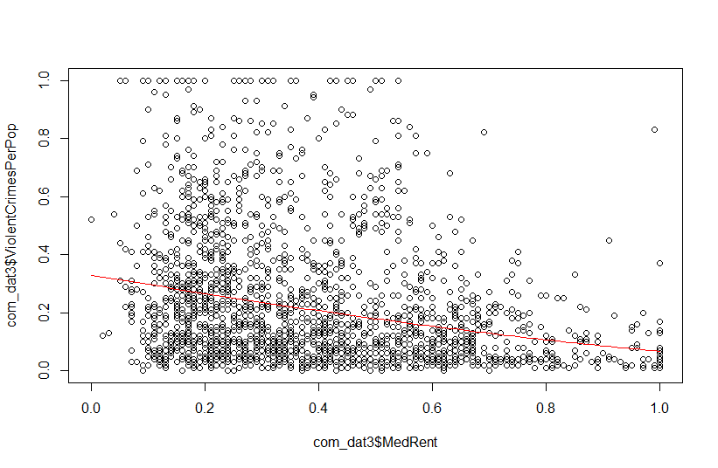 | y^ = 0.61172 -0.34859x | 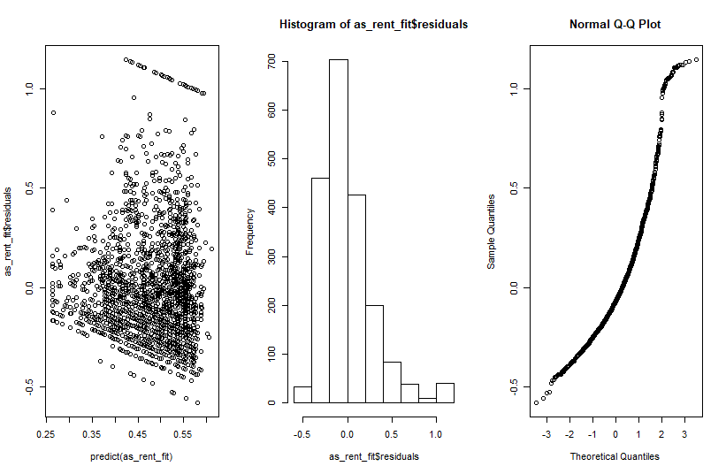 | 0.06177 | 167,526 | 11.029 |  | F | kindof | F
white perCap vs Crimes | 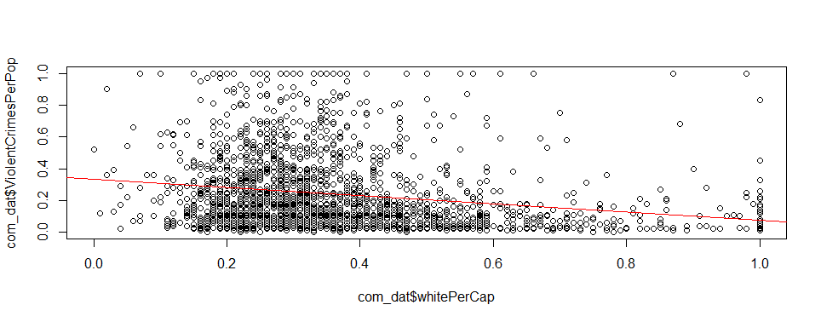 | y^ = 0.33404 -0.26101x | 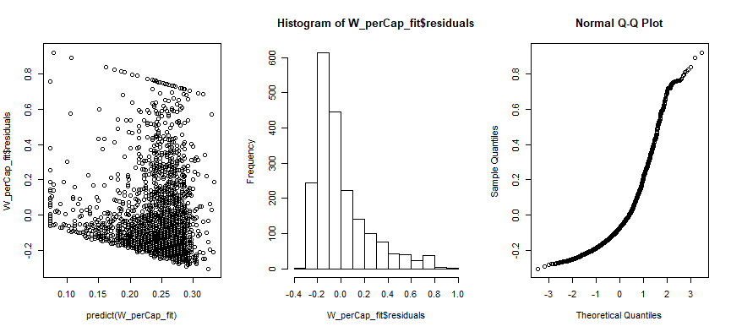 | 0.04379 | 103.446 | 4.738
white perCap vs asin(Crimes) | 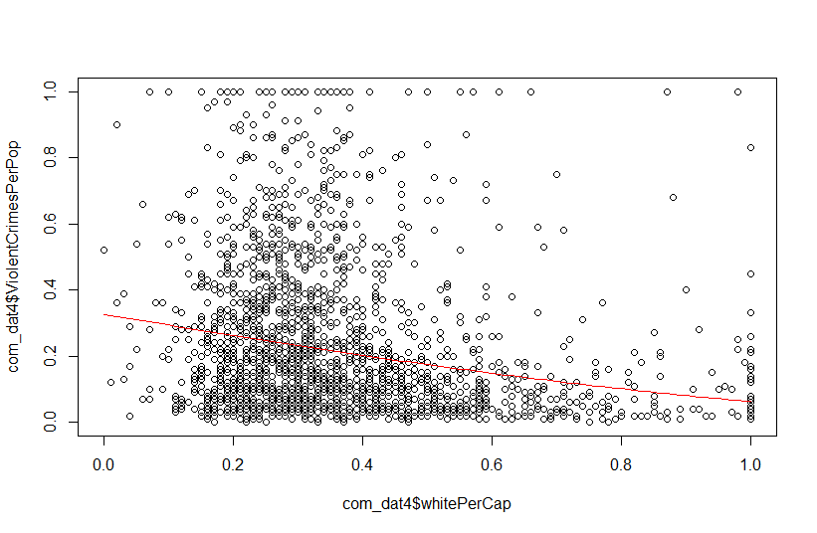 | y^ = 0.60859 - 0.35530x |  | 0.04917 | 169.775 | 8.779 |  | F | kindof | F
White police vs Crimes | 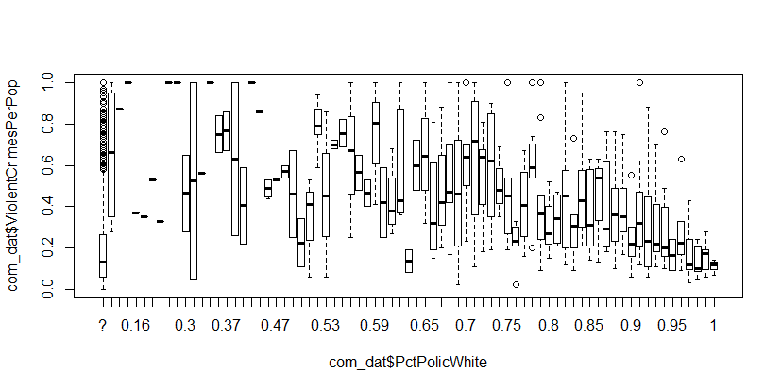 | ******? | 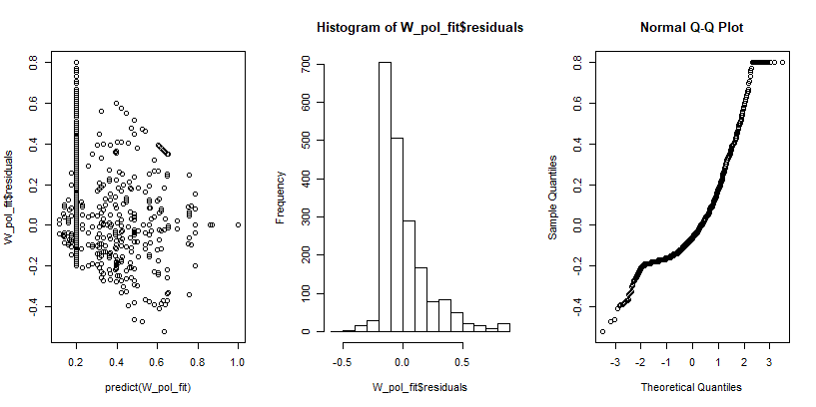 | ******? |  |  |  | T | F
White polive vs asin(Crimes) |     